工作表1
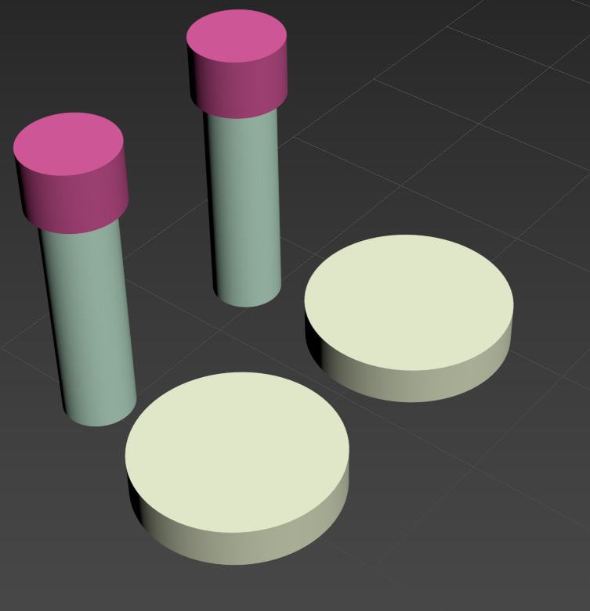
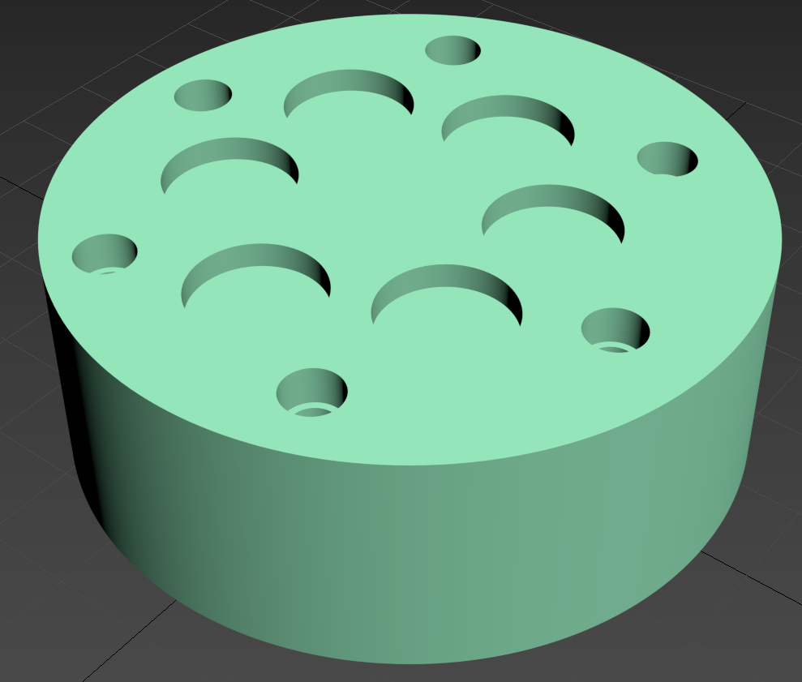
3mm
4mm

35mm

16mm

6.7mm

25mm
2.7mm
2.3mm

